Trading
$$P\&L=\left(Current Price −Previous Price\right) x Tick Value x Quantity$$
 |  |  |  |  |  | Futures Profit / Loss Formula
Futures Ticker | SR3
Description | USD 3M SOFR Futures
Contract Size | 1,000,000
Tick Value | 25.00 | per bps
Initial Margin | 2,500 | per contract |  |  | P&L, Cash Flow and Margin Calculations

Date | Position | Profit / Loss | Cash Flow | Margin Account Balance | Date | Profit / Loss | Cash Flow | Cash Flow Description | Margin Account
Day One | Buy 10 Futures @ 9910 |  | Initial Margin: 10 x 2,500 = (25,000) Pay | 25,000 CR | Day One |  | (25,000) | Open Position Pay Initial Margin | 25,000
 | Settlement Price @ 9942 | ( 9942 - 9910 ) x 25 x 10 = 8,000 Profit |  | 33,000 CR |  | 8,000 |  |  | 33,000
 |  |  | Variation Margin: 8,000 Receive | 25,000 CR |  |  | 8,000 | Profit Receive Margin | 25,000
Day Two | Settlement Price @ 9932 | ( 9932 - 9942 ) x 25 x 10 = (2,500) Loss |  | 22,500 CR | Day Two | (2,500) |  |  | 22,500
 |  |  | Variation Margin: (2,500) Pay | 25,000 CR |  |  | (2,500) | Loss Margin Call | 25,000
Day Three | Sell 6 Futures @ 9927 | ( 9927 - 9932 ) x 25 x 6 = (750) Loss |  | 24,250 CR | Day Three | (750) |  |  | 24,250
 | Settlement Price @ 9925 | ( 9925 - 9932 ) x 25 x 4 = (700) Loss |  | 23,550 CR |  | (700) |  |  | 23,550
 |  |  | Variation Margin: = -750 - 700 = (1,450) Pay | 25,000 CR |  |  | (1,450) | Loss Margin Call | 25,000
 |  |  | Initial Margin: 6 x 2,500 = 15,000 Receive | 10,000 CR |  |  | 15,000 | Partial Close Position Receive Initial Margin | 10,000
Day Four | Sell 4 Futures @ 9938 | ( 9938 - 9925 ) x 25 x 4 = 1,300 Profit |  | 11,300 CR | Day Four | 1,300 |  |  | 11,300
 |  |  | Closing of Position Return of Margin Balance 11,300 Receive | 0 |  |  | 11,300 | Fully Close Position Receive Margin Balance | 0

 | Net Position | Net P&L | Net Cash Flows | Margin Account Balance |  | Net P&L | Net Cash Flows |  | Margin Balance
 | 0 Futures | 5,350 | 5,350 | 0 |  | 5,350 | 5,350 |  | 0

Tickers
Product Code |  |  | Month Code | Year Code

ED |  |  | Z | 23

Product Code |  |  | Month Code | Year Code

ED |  |  | Z | 3

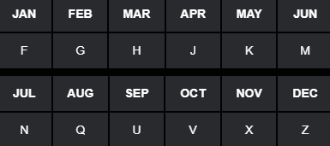

Product | Expiry | Ticker | Description
ED | H3 | EDH3 | Eurodollar USD 3M LIBOR Futures MAR-2023
ED | M3 | EDM3 | Eurodollar USD 3M LIBOR Futures JUN-2023
ED | U3 | EDU3 | Eurodollar USD 3M LIBOR Futures SEP-2023
ED | Z3 | EDZ3 | Eurodollar USD 3M LIBOR Futures DEC-2023

Product | Expiry | Ticker | Description
SR3 | H3 | SR3H3 | RFR USD 3M SOFR Futures MAR-2023
SR3 | M3 | SR3M3 | RFR USD 3M SOFR Futures JUN-2023
SR3 | U3 | SR3U3 | RFR USD 3M SOFR Futures SEP-2023
SR3 | Z3 | SR3Z3 | RFR USD 3M SOFR Futures DEC-2023

Payoff
Long FutureDeposit / Receive Fixed
Short Future Loan / Pay Fixed
Payoff Diagrams

Futures Contract | USD SOFR 3M (SR3)
Contract Size | 1,000,000
Futures Price | 98.50
Contract Period | 0.25
Tick Size | 0.01%
Tick Value | 25.00

Futures Price | Interest Rate | Long Future | Short Future
98.55 | 1.45 | 125.00 | -125
98.54 | 1.46 | 100.00 | -100
98.53 | 1.47 | 75.00 | -75
98.52 | 1.48 | 50.00 | -50
98.51 | 1.49 | 25.00 | -25
98.50 | 1.50 | 0.00 | 0
98.49 | 1.51 | -25.00 | 25
98.48 | 1.52 | -50.00 | 50
98.47 | 1.53 | -75.00 | 75
98.46 | 1.54 | -100.00 | 100
98.45 | 1.55 | -125.00 | 125

USD 3M SOFR Futures
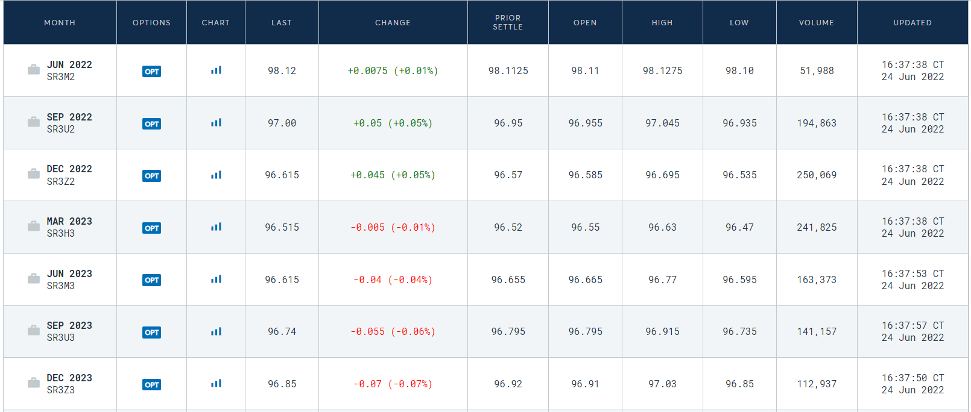

Source: https://www.cmegroup.com/markets/interest-rates/stirs/three-month-sofr.quotes.html

Compound Interest
 | rate, r | 5.00

Weekday | d | r % | RG | USD SOFR Term Rates - Geometric Compounding & Arithmetic Averaging
Mon | 1 | 0.00 | 1.00000 | https://www.cmegroup.com/education/files/sofr-futures-settlement-calculation-methodologies.pdf
Tues | 1 | 8.19 | 1.00023
$R_{G}=$ $\left[\prod_{i}{\left\{1+\left(\frac{d_{i}}{360}\right)∗\left(\frac{r_{i}}{100}\right)\right\}−1} \right]∗ \left(\frac{360}{\sum_{i}{d_{i}}}\right)∗100$
Wed | 1 | 0.21 | 1.00001
Thurs | 1 | 8.52 | 1.00024
Fri | 3 | 3.75 | 1.00031
$R_{A}=$ ${\left[\sum_{i}{\left(\frac{d_{i}}{360}\right)∗\left(\frac{r_{i}}{100}\right)}\right]}/{\sum_{i}{d_{i}}}∗100$
Mon | 1 | 5.36 | 1.00015
Tues | 1 | 5.65 | 1.00016
Wed | 1 | 6.88 | 1.00019
Thurs | 1 | 7.43 | 1.00021 | USD Eurodollar and RFR Futures Specifications
Fri | 3 | 1.65 | 1.00014 | https://www.cmegroup.com/markets/interest-rates/stirs/eurodollar.contractSpecs.html
 |  |  |  | https://www.cmegroup.com/education/files/sofr-futures-contract-specifications.pdf
 | nDays | RA | RG
 | 14 | 4.1752 | 4.1782

 | Frequency | Monthly | Quarterly
 | Compounding | Arithmetic | Geometric

 | Future | FA | FG
 | Quote | 95.8248 | 95.8218

